Controle EMG
 | Dias agd sol
2026-07-04 | 3 | Quant de Emerg. | Quant de Emg IPLR e AIFP. | Total Agd Sol | AIFP e IPLR Agd Solução | R Aguardando solução após _ dias | T Aguardando solução após _ dias | C Aguardando solução após _ dias | IPLR e AIFP R Aguardando solução após _ dias | IPLR e AIFP T Aguardando solução após _ dias | IPLR e AIFP C Aguardando solução após _ dias

2730 | ALA 8 | 42 | 38 | 0 | 0 | 0 | 0 | 0 | 0 | 0 | 0
2741 | ALA 8 | 2 | 0 | 0 | 0 | 0 | 0 | 0 | 0 | 0 | 0
2732 | ALA 8 | 17 | 13 | 3 | 3 | 0 | 0 | 0 | 0 | 0 | 0
2734 | ALA 8 | 75 | 61 | 0 | 0 | 0 | 0 | 0 | 0 | 0 | 0
2702 | ALA 10 | 0 | 0 | 0 | 0 | 0 | 0 | 0 | 0 | 0 | 0
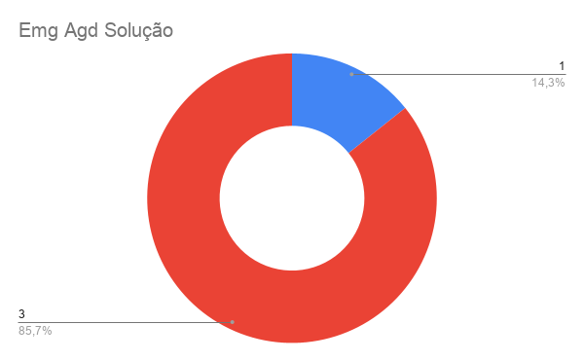
2727 | ALA 5 | 0 | 0 | 0 | 0 | 0 | 0 | 0 | 0 | 0 | 0
2719 | ALA 9 | 0 | 0 | 0 | 0 | 0 | 0 | 0 | 0 | 0 | 0
2731 | ALA 9 | 0 | 0 | 0 | 0 | 0 | 0 | 0 | 0 | 0 | 0
2729 | ALA 9 | 0 | 0 | 0 | 0 | 0 | 0 | 0 | 0 | 0 | 0
2704 | PAMALS | 2 | 0 | 0 | 0 | 0 | 0 | 0 | 0 | 0 | 0
2739 | PAMALS | 0 | 0 | 0 | 0 | 0 | 0 | 0 | 0 | 0 | 0
2709 | ALA 1 | 0 | 0 | 0 | 0 | 0 | 0 | 0 | 0 | 0 | 0
2720 | ALA 1 | 0 | 0 | 0 | 0 | 0 | 0 | 0 | 0 | 0 | 0
2738 | ALA 6 | 0 | 0 | 0 | 0 | 0 | 0 | 0 | 0 | 0 | 0
2721 | ALA 7 | 4 | 2 | 1 | 1 | 0 | 0 | 0 | 0 | 0 | 0
2723 | CLA | 1 | 1 | 0 | 0 | 0 | 0 | 0 | 0 | 0 | 0
2733 | ALA 8 | 0 | 0 | 0 | 0 | 0 | 0 | 0 | 0 | 0 | 0
2737 | ALA 8 | 0 | 0 | 0 | 0 | 0 | 0 | 0 | 0 | 0 | 0
2736 | ALA 8 | 3 | 0 | 0 | 0 | 0 | 0 | 0 | 0 | 0 | 0
2740 | ALA 8 | 1 | 0 | 0 | 0 | 0 | 0 | 0 | 0 | 0 | 0
2708 | ALA 4 | 0 | 0 | 0 | 0 | 0 | 0 | 0 | 0 | 0 | 0
2743 | ALA 3 | 0 | 0 | 0 | 0 | 0 | 0 | 0 | 0 | 0 | 0
2703 | ALA 10 | 0 | 0 | 0 | 0 | 0 | 0 | 0 | 0 | 0 | 0
2722 | ALA 9 | 0 | 0 | 0 | 0 | 0 | 0 | 0 | 0 | 0 | 0
2728 | ALA 9 | 16 | 16 | 16 | 16 | 1 | 3 | 3 | 1 | 3 | 3
2706 | ALA 10 | 0 | 0 | 0 | 0 | 0 | 0 | 0 | 0 | 0 | 0
2724 | ALA 7 | 0 | 0 | 0 | 0 | 0 | 0 | 0 | 0 | 0 | 0
2726 | ALA 9 | 97 | 89 | 0 | 0 | 0 | 0 | 0 | 0 | 0 | 0
 | Total | 260 | 220 | 20 | 20 | 1 | 3 | 3 | 1 | 3 | 3
 |  |  |  |  |  | R | T | C | R | T | C

